Sheet1
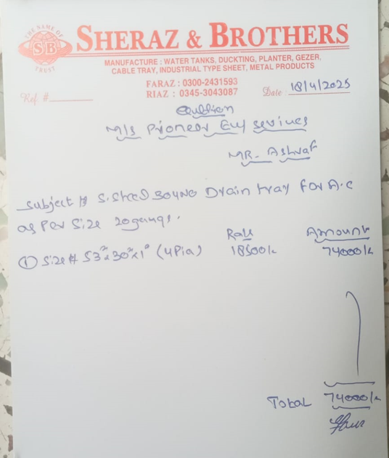


M/S IK Associates |  |  |  |  |  |  |  | 2025-04-29

Project: Gul Ahmed Energy Limited

Attn: Mr. Taha Ghaznavi

Variation # 7
Supply & installation of SS Drain Tray - Gul Ahmed

S. # | Description | Material Rate | Labour Rate | Over Head profit 28% | Total Rate | Unit | Qty | Amount
1 | Supply and installation of 20 SWG SS Drain Tray on outdoor VRF system. (as per Client and ASPL recommendations)
 | Size 53" x 30" x 1" | 18,500 | 2,000 | 5,740 | 26,240 | Nos | 4 | 104,960
Total Amount Rs. |  |  |  |  |  |  |  | 104,960

Note: Vendor quotation attached

Thanking you,

For PIONEER ENGINEERING SERVICES.

Bilal Habib

